UI Flow
Home
Show Credits
Start Game
Show Leaderboard
Game Results
Input a username
After player finishes or give up
Select “Back to menu”
User input successful
User Interface Flow

UI Mock Screens
PokePolls!
(enter names here)
Past Answers
Charmeleon
Bulbasaur
Squirtle
...
Pokemon Left: XXXX
Time
(time remaining/elapsed)
Nice! (input) is a Pokemon.
Give Up
PokePolls!
(enter names here)
Past Answers
Charmeleon
Bulbasaur
Squirtle
...
Pokemon Left: XXXX
Time
(time remaining/elapsed)
Nope! (input) is not a Pokemon.
Give Up

Home Screen | Credits |  | Game Screen | Game Finished | Leaderboard | Make A Name Screen

PokePolls!
Can you name them all?!
Make a Name!
High Scores
Credits
Start Game
PokePolls!
(enter names here)
# 1: ????????????
# 2: ????????????
# 3: ????????????
# 4: Charmander
# 5: Charmeleon
...
Generation 1
Time
(time remaining/elapsed)
Give Up
Great Job!
You named XXXX Pokemon in XX:XX:XX!
Back to Menu
(Username 1)
Pokemon Record: XXXX
Time: XX:XX:XX
(Username 2)
Pokemon Record: XXXX
Time: XX:XX:XX
.
.
.
Back to Menu
Made By Parker Nguyen, a humble (and sleep deprived) CSUF student
I do not own Pokemon, the brand belongs to © Nintendo/Creatures Inc./GAME FREAK Inc.
Back to Menu
PokePolls!
(enter names here)
Past Answers
Charmeleon
Bulbasaur
Squirtle
...
Pokemon Left: XXXX
Time
(time remaining/elapsed)
Give Up
Enter a name!
(enter text input here)
Submit
Back to Menu

Valid Input |  | Invalid Input

User Flow
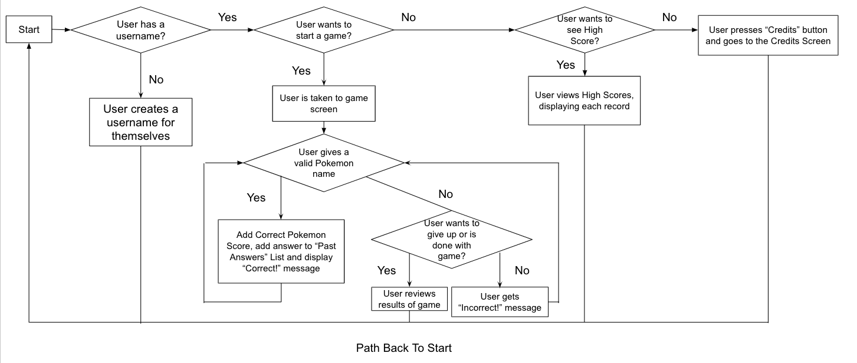
User Flow Diagram

